Sheet1
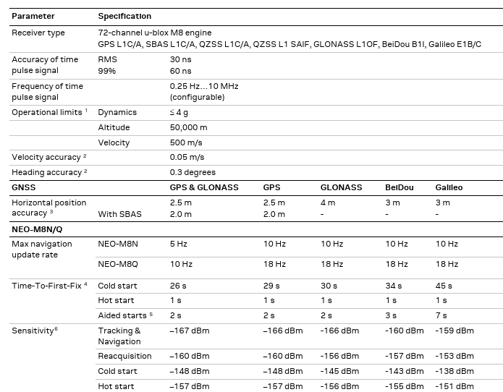
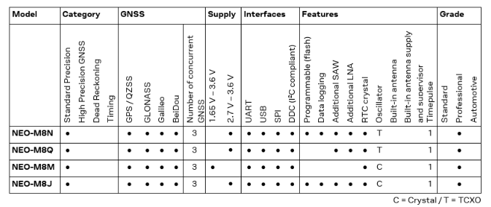
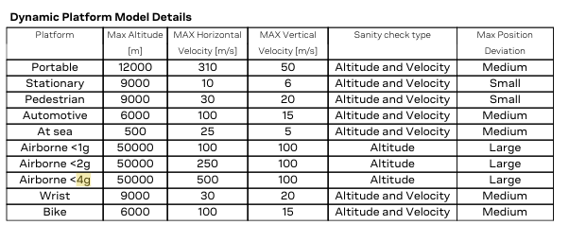
Module | Altitude Limit | Speed Limit | Application Limit | Interfaces | Sensitivity (tracking) | Size (mm) | Notes | Choosing configurations
Neo-M8N | 50 km (speed below 500 m/s) | 500 m/s | Good to ~50 km; HAB | UART, SPI, I²C, USB | –167 dBm | 12.2 × 16.0 | Configure dynamic module to airborne | https://www.youtube.com/watch?v=FmdG66kTfsI
NEO-M9N | 80 km | 500 m/s | Good to ~80 km; HAB | UART, SPI, I²C, USB | –167 dBm | 12.2 × 16.0 | Larger altitude margin, higher power draw
MAX-M10 | 80 km | 500 m/s | High‑alt, low‑power apps | UART, I²C | –167.5 dBm | 10.1 × 9.7 | Small, lower power
ZED-F9P | 80 km | 500 m/s | RTK & precision near‑space platforms | UART, SPI, I²C | –162 dBm | 22.4 × 18.4 | higher power & cost

Neo-M8N

